Sheet1
 | Royal Falkland Islands Police Headquarters, Ross Road, Stanley, Falkland Islands FIQQ 1ZZ
 | Please make cheques payable to Sir Robert Peel Fund
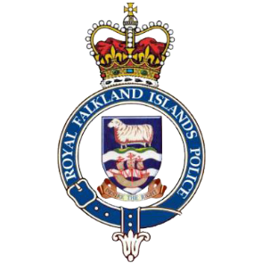 | Please complete the order form and email it to seniorclerk@police.gov.fk
 | £ |  | Amount |  | Cost
Wristband | £1 |  | 0 |  | 0
Keyring | £1 |  | 0 |  | 0
Fridge magnet | £2 |  | 0 |  | 0
Cloth badge | £3 |  | 0 |  | 0
Postage (0.50p per item) | £0.50 | x | 0 |  | 0

Rugby Shirt (Small) | £40 |  | 0 |  | 0
Ruby Shirt (Medium) | £40 |  | 0 |  | 0
Rugby Shirt (Large) | £40 |  | 0 |  | 0
Rugby Shirt (X Large) | £40 |  | 0 |  | 0
Plaque | £25 |  | 0 |  | 0
Challenge Coin | £15 |  | 0 |  | 0
Postage (£2 per item) | £2 | x | 0 |  | 0

 |  |  |  | Total: | 0

Full Name

Telephone number

Email address

Postal address (inc postcode)

